zeng-sasselov_boundaries
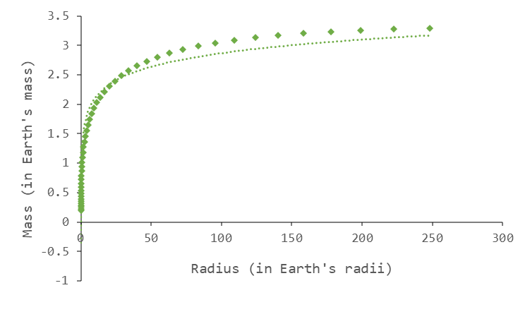
RowNum | M-PureMgSiO3 | R-PureMgSiO3 | M-MgSiO3-H2O-5050 | R-MgSiO3-H2O-5050
0 | 0 | 0 | 0 | 0
1 | 0.00623 | 0.2029 | 0.008278 | 0.2963
2 | 0.008748 | 0.227 | 0.01156 | 0.3286
3 | 0.01227 | 0.254 | 0.01615 | 0.3647
4 | 0.01717 | 0.2838 | 0.02255 | 0.4049
5 | 0.02399 | 0.317 | 0.0313 | 0.4484
6 | 0.03343 | 0.3536 | 0.04314 | 0.4944
7 | 0.04644 | 0.3939 | 0.05943 | 0.5449
8 | 0.0643 | 0.4381 | 0.0817 | 0.6003
9 | 0.08866 | 0.4865 | 0.112 | 0.6607
10 | 0.1217 | 0.5391 | 0.1528 | 0.7262
11 | 0.1661 | 0.596 | 0.2074 | 0.7966
12 | 0.2255 | 0.6573 | 0.2799 | 0.8718
13 | 0.3042 | 0.7228 | 0.3754 | 0.9515
14 | 0.4075 | 0.7925 | 0.4998 | 1.035
15 | 0.542 | 0.8661 | 0.6607 | 1.123
16 | 0.7143 | 0.9429 | 0.8653 | 1.214
17 | 0.927 | 1.02 | 1.117 | 1.305
18 | 1.2 | 1.101 | 1.437 | 1.4
19 | 1.545 | 1.186 | 1.842 | 1.499
20 | 1.981 | 1.274 | 2.351 | 1.602
21 | 2.525 | 1.365 | 2.988 | 1.708
22 | 3.203 | 1.458 | 3.78 | 1.818
23 | 4.043 | 1.554 | 4.763 | 1.933
24 | 5.077 | 1.653 | 5.972 | 2.05
25 | 6.297 | 1.749 | 7.392 | 2.165
26 | 7.714 | 1.842 | 9.043 | 2.275
27 | 9.423 | 1.935 | 11.03 | 2.386
28 | 11.47 | 2.029 | 13.4 | 2.498
29 | 13.87 | 2.121 | 16.18 | 2.608
30 | 16.73 | 2.213 | 19.48 | 2.717
31 | 20.1 | 2.304 | 23.36 | 2.825
32 | 24.07 | 2.394 | 27.94 | 2.933
33 | 28.68 | 2.483 | 33.24 | 3.037
34 | 33.99 | 2.569 | 39.33 | 3.138
35 | 40.05 | 2.65 | 46.26 | 3.234
36 | 46.88 | 2.728 | 54.07 | 3.325
37 | 54.49 | 2.799 | 62.77 | 3.409
38 | 63.08 | 2.866 | 72.58 | 3.488
39 | 72.75 | 2.928 | 83.62 | 3.563
40 | 83.59 | 2.986 | 95.97 | 3.631
41 | 95.68 | 3.039 | 109.8 | 3.695
42 | 109.1 | 3.088 | 125.1 | 3.754
43 | 124 | 3.132 | 142 | 3.807
44 | 140.3 | 3.17 | 160.6 | 3.854
45 | 158.2 | 3.204 | 181 | 3.895
46 | 177.8 | 3.232 | 203.3 | 3.93
47 | 199.2 | 3.255 | 227.7 | 3.959
48 | 222.5 | 3.274 | 254.2 | 3.983
49 | 248.1 | 3.288 | 283.3 | 4.002

zeng-sasselov_boundaries (2)
x
y
RowNum | M-PureMgSiO3 | R-PureMgSiO3
43 | 124 | 3.132
44 | 140.3 | 3.17
$$m_{p}=$$
WASP-96b | 152.6
45 | 158.2 | 3.204

